Booking Profile
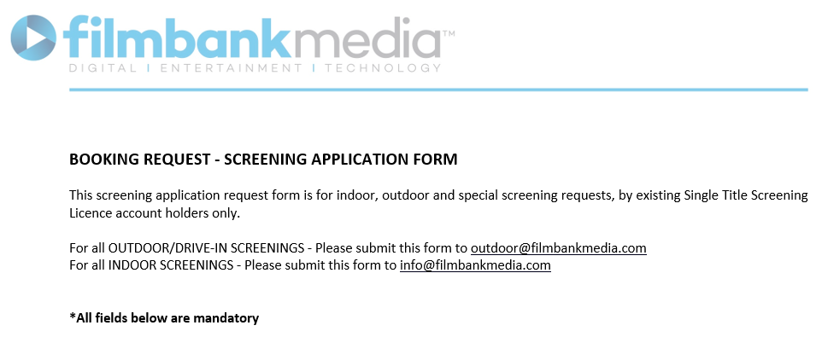

 | PRINT DEADLINE DATE (if applicable):
 | YOUR NAME:
 | ORGANISATION NAME: (As per your STSL account)
 | STSL ACCOUNT REFERENCE NO:
 | CONTACT NUMBER:
 | EMAIL ADDRESS:
 | WEBSITE ADDRESS:

 | SCREENING INFORMATION: We advise that you complete all fields in full. Failure to do so may lead to a delay in processing your application form

 | ARE YOU PLANNING AN INDOOR, OUTDOOR OR DRIVE-IN SCREENING? (Please note: tents/marquees fall under Outdoor)
 | DO YOU HAVE THE FACILITY TO SCREEN ON DCP or 35MM?
 | DO YOU SCREEN FILMS RELEASED WITHIN THE 12 WEEK UK THEATRICAL CINEMA RELEASE WINDOW? |  | Select Metres/Feet below
 | SCREEN SIZE: (Please note these specifications must be stated otherwise your application will not be processed) | Height:
 |  | Width:
 | PLEASE STATE THE MAXIMUM LEGAL CAPACITY OF YOUR VENUE/OUTDOOR SPACE: (Please note: this should not be an estimated number. For multiple locations, please state 'multiple' here and list next to each film in the next tab) For reference see your Council's TEN -Temporary Events Notice or for Drive-Ins, state max. number of cars
 | ARE YOU CHARGING AN ADMISSION FEE?
 | IF YES, PLEASE STATE FULL TICKET PRICE ENTRY TO YOUR EVENT: (Please include a breakdown of ALL tickets e.g Adult, Child, Student)

 | FULL POSTAL ADDRESS/LOCATION FOR EACH SCREENING: (For multiple locations, please state 'multiple' here and list next to each film in the next tab)
 | PLEASE TELL US (with as much detail as possible) YOUR REASONS FOR HOLDING THIS EVENT/SCREENING:

 | PLEASE PROVIDE A FULL BREAKDOWN OF ALL ACTIVITES INCLUDED IN THE TICKET PRICE:

 | ADVERTISING AND MARKETING INFORMATION

 | ARE YOU ADVERTISING YOUR SCREENING?

 | IF YES, PLEASE EXPLAIN HOW THIS SCREENING WILL BE ADVERTISED (e.g. Social Media, Website, newsletter etc.)
 | PLEASE STATE THE ORGANISATION(S) TAKING RESPONSIBILITY FOR ALL PUBLICITY IN RELATION TO THE EVENT:

 | WILL THERE BE ANY 3RD PARTY PROMOTIONS, OFFICIAL SPONSOR / SPONSORSHIP FROM BRANDS OR SIMILAR?

 | IF YES , PLEASE LIST THE ORGANISATION(S) NAME AND INDUSTRY TO WHICH IT FALLS UNDER:
 | IN RELATION TO THE ABOVE, PLEASE PROVIDE A DETAILED EXPLANATION OF HOW THE 3RD PARTY / OFFICIAL SPONSOR / BRAND WILL BE INVOLVED IN YOUR EVENT:
 | HOW WILL THE 3RD PARTY / OFFICIAL SPONSOR / BRAND BE FEATURED ON YOUR ADVERTISING MATERIAL FOR THIS EVENT? (please submit any advertising material related to this event to support your application)

 | ADDITIONAL INFORMATION

 | WILL THE SCREENING INVOLVE ANY AUDIENCE PARTICIPATION? (e.g sing-a-long or interactive elements)

 | IF YES, PLEASE PROVIDE A FULL SUMMARY OF WHAT THIS WILL INVOLVE:

 | WILL THE SCREENING INVOLVE ANY LIVE DRAMATIC PERFORMANCE?
 | WILL THE SCREENING INVOLVE ANY THEMING OR THEMED ELEMENTS? (e.g. Themed Food/Themed Drinks/Themed Decor etc)

 | IF YES, PLEASE PROVIDE A DETAILED EXPLANATION HERE:

 | WILL THE SCREENING INVOLVE ANY SPECIAL EFFECTS?

 | PLEASE TICK THIS BOX TO AGREE THE FILM WILL BE PLAYED IN ITS ENTIRETY

 | PLEASE TICK THIS BOX TO AGREE THERE WILL BE NO CHARACTERS RELATED TO THE FILM OR THEIR LIKENESS AT YOUR EVENT

 | Continue on next tab for film selection…

